Intro to Mapping
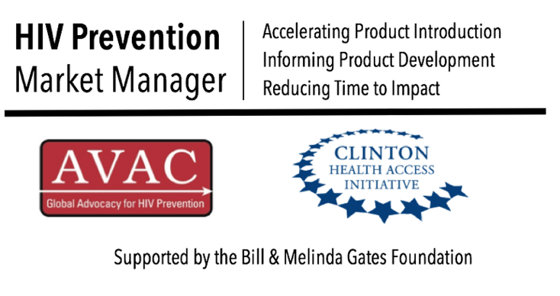
Kenya Oral PrEP Mapping - Organizations and Projects Updated November 2016

The HIV Prevention Market Manager undertook this mapping to highlight the full range of actors in the oral PrEP space in Kenya. Organizations and projects are mapped across area of focus (advocacy, guidelines, government, research, end user/marketing, implementation, technical assistance, coordination, M&E, regulation/registration, packaging, product modification, provider training, clinical monitoring, supply, communications, funding), by population focus and district/county. The "Kenya - Oral PrEP Organizations" tab maps the organizations and connects each to the projects they undertake. The "Kenya - Oral PrEP Projects" tab maps the projects and connects each to the organizations that lead/support the project. The mapping will be updated on an annual basis. For any updates or corrections to the information included please contact avac@avac.org.

