Introduction
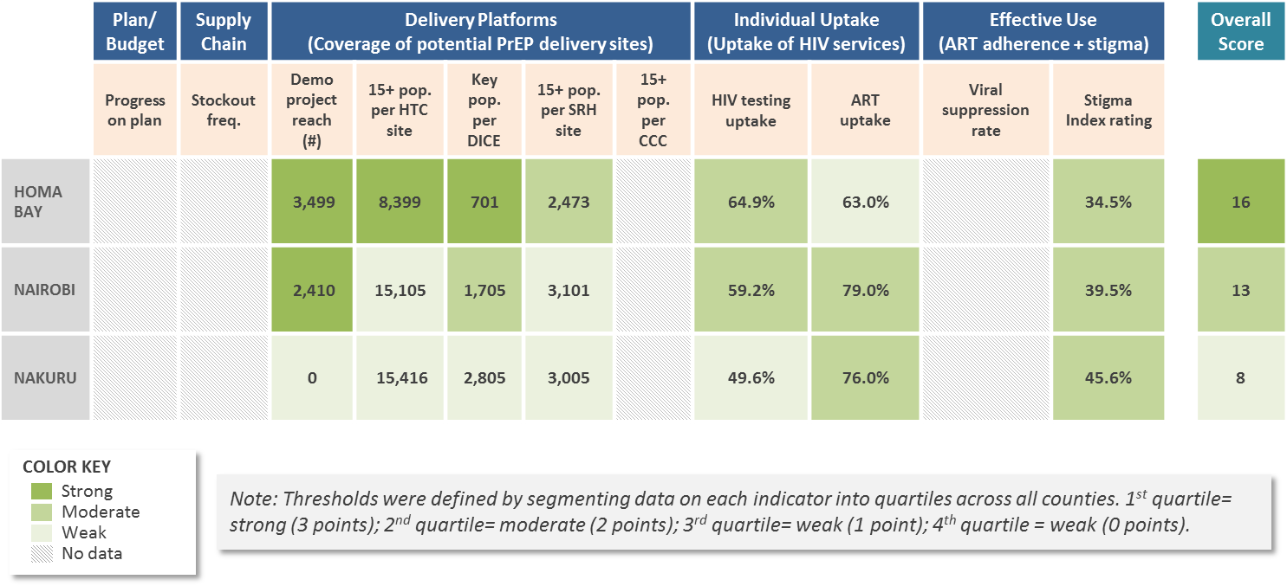
PLAN 4 PREP: TOOLKIT FOR ORAL PREP IMPLEMENTATION
ORAL PrEP COUNTY/DISTRICT READINESS ASSESSMENT

The readiness assessment is organized in five sections along the value chain

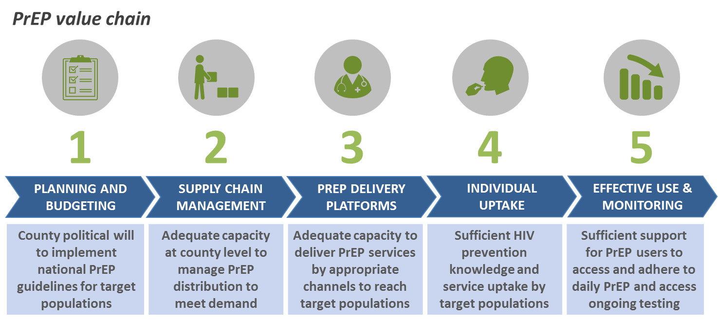

The list includes potential indicators and guidance on how to assess readiness

Preview of indicator list on next page

These indicators could also be analyzed across counties

Illustrative cross-county analysis

