Introduction
PLAN 4 PREP TOOLKIT
FACILITY READINESS ASSESSMENT TOOLS
The following tools can be used by facilities to determine their readiness to implement oral PrEP as well as identify potential areas for investment/focus to better prepare for facility rollout of oral PrEP. These tools can be used at the start of an oral PrEP program or can be used as an interim assessment to identify areas for further investment and/or improvement. These tools have been adapted from several existing facility readiness assessment tools from South Africa, Kenya, Zimbabwe and Zambia* but will need to be adapted and customized to each country's operating context.

Plan 4 PrEP Toolkit Module 5: Facility Readiness Assessment
This toolkit contains three separate tools to assess facility readiness for the rollout of oral PrEP: one is basic, one is more comprehensive, and the third is specific to provision of PrEP for pregnant and breastfeeding women.

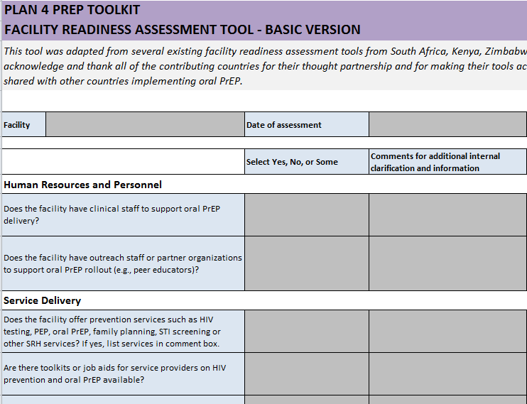
 | Basic Assessment tab
 | A “simple” assessment with a short list of core criteria that are essential to oral PrEP rollout

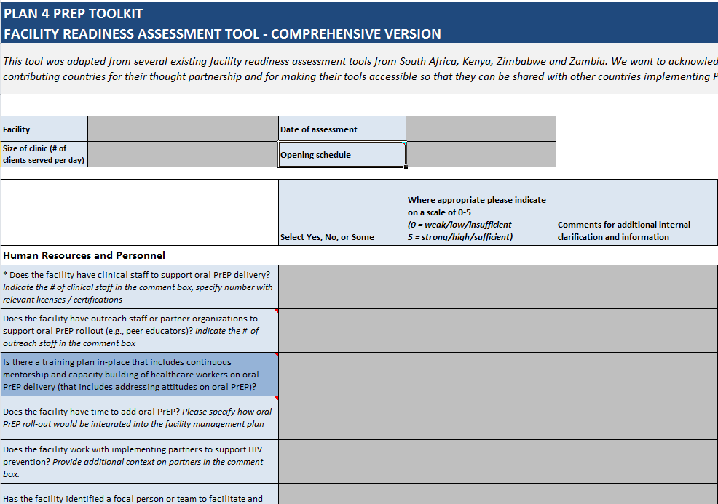

 | Comprehensive Assessment tab
 | A “comprehensive” assessment that includes a longer list of criteria that can be customized to each country’s needs and preferences

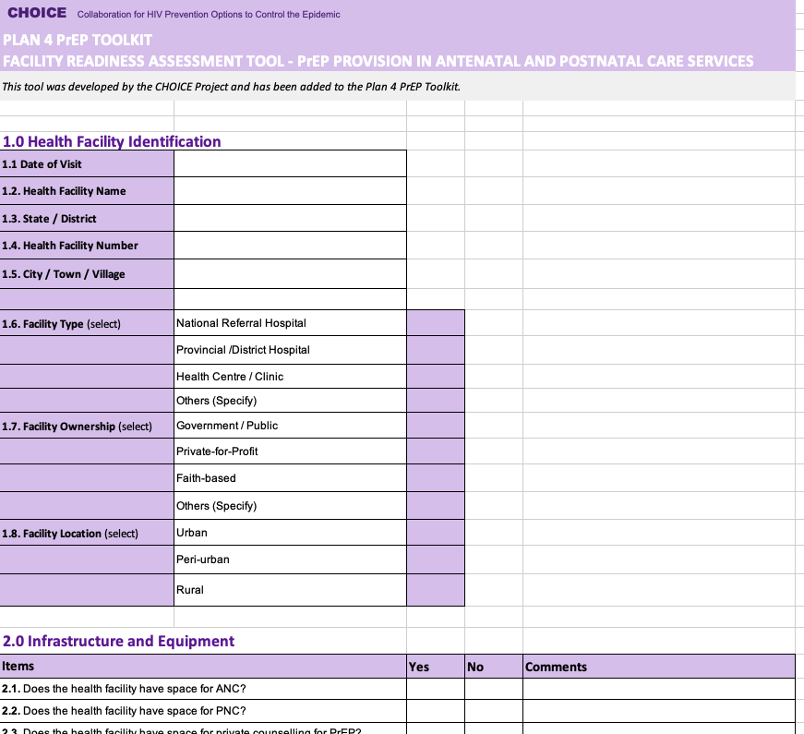

 | Assessment for ANC and PNC Services tab
 | A facility readiness assessment specific to provision of PrEP in Antenatal and Postnatal Care Services, developed by the CHOICE Project

The worksheets contain a number of criteria with which a facility can indicate its current capacity and capabilities to rollout oral PrEP. The first two worksheets use a simple rating system for each criterion to clearly highlight potential areas of additional investment or areas of focus to achieve facility readiness.

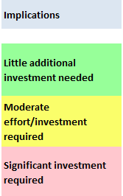
 | Rating system | Rating scale
 | To clearly identify areas for additional investment or focus in order to achieve facility readiness, a simple rating system is included in both the Basic and Comprehensive Assessments. - If a criteria is fully met within your facility (as indicated with a "Yes" in the Basic Assessment or "4" or "5" in the Comprehensive Assessment), those criteria will highlight in green to indicate little additional investment is necessary within this area to achieve facility readiness to rollout oral PrEP - If a criteria is not fully met within your facility (as indicated with a "Some" or "No" in the Basic Assessment or "0-3" rating in the Comprehensive Assessment), those criteria will highlight in yellow or red to indicate additional or significant investment is necessary within this area to achieve facility readiness to rollout oral PrEP

* These tools have been adapted from several existing facility readiness assessment tools from South Africa, Kenya, Zimbabwe and Zambia. We want to acknowledge and thank all of the contributing countries for their thought partnership and for making their tools accessible so that they can be shared with other countries implementing oral PrEP.

Comprehensive Assessment
PLAN 4 PREP TOOLKIT
FACILITY READINESS ASSESSMENT TOOL - COMPREHENSIVE VERSION
This tool was adapted from several existing facility readiness assessment tools from South Africa, Kenya, Zimbabwe and Zambia. We want to acknowledge and thank all of the contributing countries for their thought partnership and for making their tools accessible so that they can be shared with other countries implementing PrEP.

Facility | Date of assessment
Size of clinic (# of clients served per day) | Opening hours

 | Select Yes, No, or Some | Where appropriate please indicate on a scale of 0-5 (0 = weak/low/insufficient 5 = strong/high/sufficient) | Comments for additional internal clarification and information | Implications
Human Resources and Personnel
* Does the facility have clinical staff to support oral PrEP delivery? Indicate the # of clinical staff in the comment box, specify number with relevant licenses / certifications |  |  |  | Little additional investment needed
Does the facility have outreach staff or partner organizations to support oral PrEP rollout (e.g., peer educators)? Indicate the # of outreach staff in the comment box |  |  |  | Moderate effort/investment required
Is there a training plan in place that includes continuous mentorship and capacity building of healthcare workers on oral PrEP delivery (that includes addressing attitudes on oral PrEP)? |  |  |  | Significant investment required
Key
Likely influenced/controlled at facility level
Likely involves some influence/control outside of the facility
(e.g., from national Ministry of Health, other partners)
* Indicates criteria that are also included in the Basic Assessment
Does the facility have time to add oral PrEP? Please specify how oral PrEP rollout would be integrated into the facility management plan
Does the facility work with implementing partners to support HIV prevention? Provide additional context on partners in the comment box.
Has the facility identified a focal person or team to facilitate and integrate oral PrEP within existing service delivery?
Service Delivery
* Does the facility offer prevention services such as HIV testing, PEP, oral PrEP, family planning, STI screening or other SRH services? If yes, list services in comment box.
* Are there toolkits or job aids for service providers on HIV prevention and oral PrEP available?
* Is there a private screening room for clients?
* Is there a referral system or connection to labs for specialized laboratory tests (e.g., creatinine)?
Has the facility developed a plan for oral PrEP delivery that integrates into existing service delivery?
Is the facility linked to programs or efforts that support adherence or adverse events monitoring? If yes, please in comment box.
Does the facility plan to charge for oral PrEP or related services? If so, add details of the plan for payment in the comment box.
Communications
* Are there any awareness building efforts on HIV prevention and/or specifically on oral PrEP for the population that visits the facility? If yes, please specify.
* Are IEC materials customized to target audiences available on HIV prevention and oral PrEP for clients?
Does the facility have a comprehensive strategy or plan to guide communications about oral PrEP?
Has the facility developed a plan for outreach to potential oral PrEP users in the community?
Has the community been sensitized on the integration of oral PrEP within existing services?
Does the facility have a client flow for clients initiated or tested during outreach and linked to clinic?
Have HIV Prevention or PrEP champions been identified and engaged at facility level?
Commodity Management
* Does the facility have experience storing and distributing ARVs or oral PrEP?
* Does the facility have standard operating procedures (SOPs) or logistics management and information systems (LMIS) in place to support ordering and reporting (i.e., stock management) on ARVs?
Has the facility staff received oral PrEP-specific training (e.g., on quantification) to avoid stockouts and expiration?
Does the facility have space to store oral PrEP?
Does the facility's stock room have temperature control?
Does the facility have extra stocks of drugs on-site to prevent oral PrEP shortages?
Monitoring and Evaluation
* Is the facility reporting into a national reporting structure on oral PrEP?
Does the facility have a unique client identification system? Please describe how you manage client confidentiality in the comment box
Does the facility have an electronic patient monitoring system?
Financing and Regulations
Please specify sources of funding for the facility's oral PrEP program and the duration of those funds in the comment box
Does the facility have a copy of the national updated Integrated ART, HIV prevention, or PrEP-specific guidelines?
Does the facility have sufficient resources to support rollout of oral PrEP (e.g. from existing in district budgets, ongoing implementing partner projects, on-going private sector activities)? Indicate the level of resource sufficiency and type of funding support in the comment box
Does the facility have plans for continued funding of oral PrEP delivery? If yes, please specify in the comment box
Youth Friendliness (Applicable to youth-serving facilities)
Does the facility have a policy or guidelines on youth-friendly provision of services?
Does the facility have staff with necessary competencies and training to provide equitable, non-judgmental services to young people?
Does the facility have a process for integrating the voice of young people within designing and planning efforts?
Has the facility identified a focal person for youth-friendly services?
Is there space to provide services to young people?
Does the facility have a process for identifying and reviewing outreach hot spots to reach young people?

ANC and PNC Assessment
CHOICE Collaboration for HIV Prevention Options to Control the Epidemic

PLAN 4 PrEP TOOLKIT
FACILITY READINESS ASSESSMENT TOOL - PrEP PROVISION IN ANTENATAL AND POSTNATAL CARE SERVICES
This tool was developed by the CHOICE Project and has been added to the Plan 4 PrEP Toolkit.

1.0 Health Facility Identification
1.1 Date of Visit
1.2. Health Facility Name
1.3. State / District
1.4. Health Facility Number
1.5. City / Town / Village

1.6. Facility Type (select) | National Referral Hospital
 | Provincial /District Hospital
 | Health Centre / Clinic
 | Others (Specify)
1.7. Facility Ownership (select) | Government / Public
 | Private-for-Profit
 | Faith-based
 | Others (Specify)
1.8. Facility Location (select) | Urban
 | Peri-urban
 | Rural

2.0 Infrastructure and Equipment
Items |  | Yes | No | Comments
2.1. Does the health facility have space for ANC?
2.2. Does the health facility have space for PNC?
2.3. Does the health facility have space for private counselling for PrEP?
2.4. Are there toolkits or job aids for service providers on HIV prevention and oral PrEP available?
2.5. Are the following equipment functional and available at the health facility?
2.5.1. Manual blood pressure cuff and stethoscope OR automated blood pressure cuff
2.5.2. Pregnancy wheel (for ANC settings)
2.5.3. Fetoscope or fetal heart doppler (for ANC settings)
2.5.4. Measuring tape for fundal height (for ANC settings)
2.5.5. Scale for measuring maternal weight
2.5.6. Examination table or mattress
2.5.7. Telephone line for contacting clients and/or other health workers
2.5.8. Handwashing station easily accessible to health care providers
2.5.9. Medical masks for health care providers
2.5.10. Disinfection supplies to use on equipment between clients
2.6. Is the facility linked to programs or efforts that support adherence or adverse events monitoring?
2.7. Are there any awareness building efforts on HIV prevention and/or specifically on oral PrEP for the population that visits the facility?

3.0 Pharmacy and storage
Items |  | Yes | No | Comments
3.1. Are the following drugs/vaccines available in the pharmacy/health facility?
3.1.1. Emtricitabine/tenofovir disoproxil fumarate tablets (or other locally approved PrEP drugs)
3.1.2. Iron and folic acid supplements
3.1.3. Sulfadoxine-pyrimethamine (SP)
3.1.4. Deworming tabs (albendazole, mebendazole)
3.1.5. Sexually transmitted infection treatment drugs (benzathine penicillin G, azithromycin, ceftriaxone, metronidazole)
3.1.6. Tetanus toxoid vaccine (for ANC settings)
3.1.7. Postpartum family planning methods (for PNC settings)
3.2. Does the pharmacy/MNH space have safe and dry space for storage of drugs?
3.3. Does the facility's stock room have temperature control?
3.4. Does the facility have extra stocks of drugs on-site to prevent oral PrEP shortages?
3.5. Does the facility have standard operating procedures (SOPs) or logistics management and information systems (LMIS) in place to support ordering and reporting (i.e., stock management) on ARVs?

4.0 Laboratory
Items |  | Yes | No | Comments
4.1. Are the following tests available in the laboratory?
4.1.1. HIV test
4.1.2. Syphilis (treponemal)
4.1.3. Syphilis (non-treponemal)
4.1.4. Urine pregnancy
4.1.5. Rapid diagnostic tests for malaria
4.1.6. Blood smear for malaria
4.1.7. Serum creatinine
4.1.8. Liver function (e.g., AST, ALT)
4.1.9. Chlamydia trachomatis
4.1.10. Neisseria gonorrheae
4.1.11. Blood glucose
4.2. Is there a referral system or connection to other laboratories for tests that are not available on site?

5.0 Data, Registration, and Monitoring and Evaluation
Items |  | Yes | No | Comments
5.1. Does the health facility have the following registers and data points?
5.1.1. Register for ANC
5.1.2. Register for PNC
5.1.3. PrEP included in registers
5.1.4. PrEP included in reporting form
5.1.5. PrEP included in summary form
5.2. Is the facility reporting into a national reporting structure on oral PrEP?
5.3. Does the facility have a unique client identification system?
5.4. Does the facility have an electronic patient monitoring system?

6.0 Communications
Items |  | Yes | No | Comments
6.1. Are there any awareness building efforts on HIV prevention and/or specifically on oral PrEP for the population that visits the facility? If yes, please specify.
6.2. Are IEC materials customized to target audiences available on HIV prevention and oral PrEP for clients?
6.3. Does the facility have a comprehensive strategy or plan to guide communications about oral PrEP?
6.4. Has the facility developed a plan for outreach to potential oral PrEP users in the community?
6.5. Has the community been sensitized on the integration of oral PrEP within existing services?
6.6. Does the facility have a client flow for clients initiated or tested during outreach and linked to clinic?
6.7. Have HIV prevention or PrEP champions been identified and engaged at facility level?

