Intro to Tracker
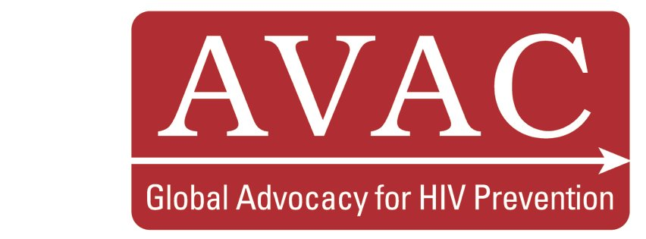
Global PrEP Enrollee Tracker
Updated June 2021

AVAC has created this tracker in order to highlight the full scope of PrEP use across the globe. Through outreach, careful research and collaboration with our partners, we have generated a comprehensive database of all current, planned, and completed PrEP demonstration projects, clinical trials, implementation initiatives, and end user studies. This tracking document not only provides insights into the number of PrEP users worldwide, but data on user demographics, precise geographic data, funding levels and sources, service delivery settings, programme types, tools created, and resistance testing on seroconverters. The tracker will be updated on a quarterly basis. For any updates or corrections to the information included please contact avac@avac.org. Note: As of July 2019, the Global PrEP Tracker adapted the number of PrEP users in the US to reflect IQVIA pharmacy claim data published by Gilead Sciences’ epidemiology team on the number of individuals who used PrEP at least once in 2018. The pharmacy claim data captures 85% of all pharmacy claims for PrEP. (The other 15% of claims are through closed systems and not captured, i.e. Kaiser Permanente. We have estimated this 15% based on available data.) Prior to July 2019, the number of US initiations in the Global PrEP Tracker reflected quarterly sales data released by Gilead. The sales data yielded a higher figure than the cumulative number of actual PrEP users and the methodology has not been publicized. AVAC has transitioned to using the pharmacy claim data to depict the estimate of total PrEP initiations in the US. This reduced number is not a reflection of changes of PrEP use, but rather the availability of new data that measures PrEP initiations more accurately.

